Mind Map
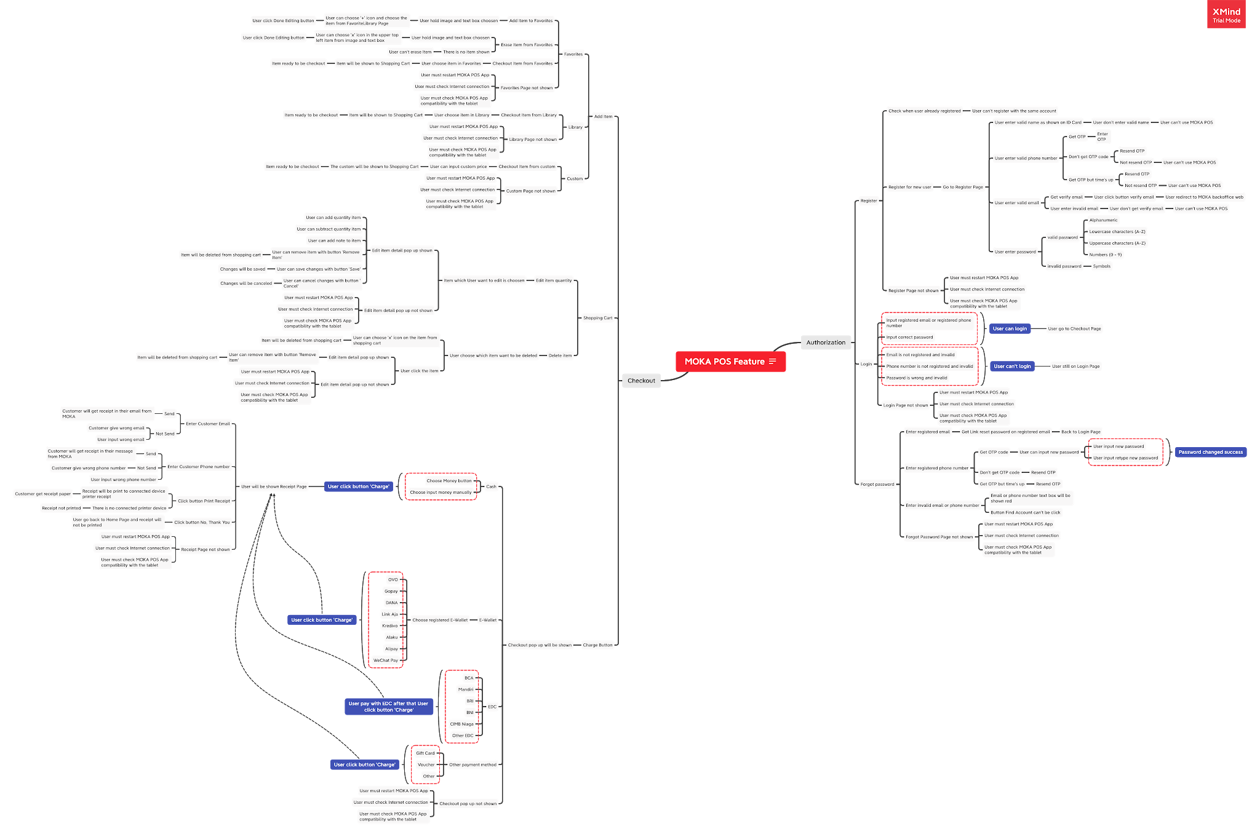

Can't see clearly? click here
Test Case

